FPP material
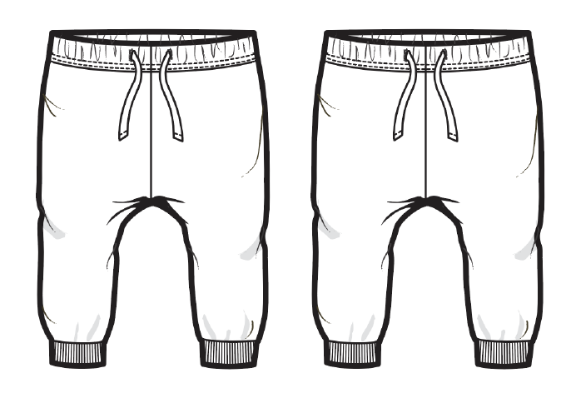 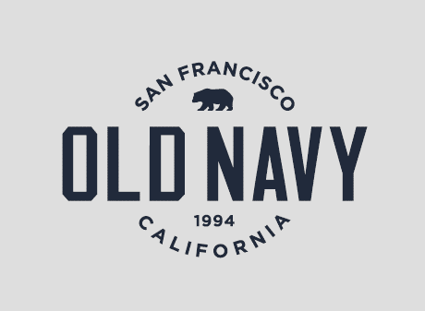
S#823443, 742720 (MS#456526) FPP MATERIAL SENDING LIST
** NEED TO PROCEED FPP MEETING USING BULK MATERIAL
FABRIC | BODY: IN THE NAVY → 10/2 ETA PANTHER PSD → 11/8 EX, 11/15 ETA TRIM IN THE NAVY → 10/2 ETA PANTHER PSD → 11/8 EX, 11/15 ETA
MAIN LABEL | IN FACTORY
CARE LABEL | IN FACTORY
T-LABEL | IN FACTORY
THREAD | PLEASE USE STOCK.
DRAW STRING-FLAT | 10/18 ETD FROM HK.
INTERLINING | IN FACTORY
ELASTIC BAND | IN FACTORY

QA Cover
OLD NAVY NEWBORN SP'22 - QA PACKAGE SENDING STATUS

Season | SP'22
Style | S#823443, 742720 (MS#456526)
Vendor/ FTY | Sae-A/ S&H VINA(2) / VTN

 | 1st
 | 2nd (supplementary)
 | 3rd (supplementary)
 | 4th (supplementary)
 | 5th (supplementary)

1 | APPROVED PP SAMPLE | Will be updated
2 | Fit cmmts | C/O
3 | BOM | 2021-10-15
4 | GSS | C/O
5 | Line review sheet | 2021-10-15
6 | Packing method | 2021-10-15
7 | Bulk lot | 2021-10-15
8 | Trim card | Will be updated

STYLE# | PO CC NAME | FABRIC |  | ARTWORK |  | THREAD | ELASTIC 1 1/2" FOR ALL SIZE | INTERLINING @ STRING HOLE | MAIN LABEL RD#291713
 |  | BODY (FLEECE) | CUFF (2X2 RIB)
742720 | IN THE NAVY | IN THE NAVY | IN THE NAVY |  | ONB21Q3_02 CC 2 | DTM BODY | WHITE | WHITE
823443 | GREEN DINOSAURS | PANTHER PSD | PANTHER PSD |  | ONBB22Q1_02 CC 2 | DTM BODY

**VENDOR CONTACT : IRENE KO/ SHANE KO/MIN CHO/ RACHEL YU/DANIEL HAN /PONY/NANA (SAE-A)
**GIS MERCHANDISER: HONG A NGUYEN/LUCY NGUYEN
ON NEWBORN SP'22/ S#82344,742720 (MS#456526) QA FILE

 |  |  | SIGN | ASSOCIATE | AST.MANAGER | MANAGER | SR MANAGER | P.Manager

General Information
** General Information **
1.Order status |  |  | 3.Accessories (Description & Item#) |  |  |  | 5. Color Break Down

1. Date | 2021-10-20 |  | ITEM | 발주처 | ITEM# | DESCRIPTION | S#742720 : 6,144PCS S#823443 : 8,890 PCS TTL : 15,034 PCS
2. Buyer | OLD NAVY NB |  | 1. Label
3. Season | SP'22 |  | 1) Main |  | RD#291713 | Universal_Brand_Tops/ Bottoms_Generic_Integrated Loop (Global/Canada)
4. Style# | S#823443, 742720 (MS#456526)
5. Description | FLEECE PANT LOGO |  | 2) Care label |  | RD#191462 | Hard Wash
6. Delivery | 11/29/2021~02/06/2022 |  | 3) ID LABEL |  | RD#149232 | Traceability label
7. Order Q'ty | 15,034 pcs |  | 2. Sewing Trim
8. Country of Origin | VTN |  | 1) Thread | Local | RD#183762 | ALL TOPSTITCHING AND BUTTON HOLE
9. Sewing Factory | S&H VINA (2) |  |  |  | RD#183764 | ALL BOBBIN & LOOP THREAD
1) CM |  |  | 2) Elastic |  | RD#39476 | WHITE -1 1/2" FOR ALL SIZE
 |  |  | 3) Drawcord |  | WILSON 3/8" | AT WAIST
 |  |  | 4) Interlining |  | WHITE | AT BACK SIDE OF BUTTON HOLE
10. Graphic Factory | SEOUL PRINT |  | 3. Tag
 |  |  | 1) Price Tag | 현지 | RD#269032
11. F/Washing | FABRIC NORMAL WASH WITH HEAVY SOFTENER |  | 2) Tag Pin | 본사 | 3" Clear
 | NO GARMENT WASH |  | 4. Hanger / Size Strip / Sensor tag
12. Team / Contact | 영업 3담당2본부3팀 | 고은진: Irene Ko | 1) Hanger | 본사 | 1004-ONS-HPP : 8" | ALL SIZE
1) Ext# / Mobile Phone | #7240 | ejinq@sae-a.com | TOP hanger with plastic hook
 | 영업 3담당2본부3팀 | 고수한: Shane Ko |  |  |  | *FRANCHISE: w/o hanger
 | #7983 | 8thbird@sae-a.com | 2) Size Tab | 본사 | ST08
 | 영업 3담당2본부3팀 | 조민선: Min Cho | 5. Packing Trim
 | #7165 | minsuncho1290@sae-a.com | 1) Poly Bag-Flat | 본사 | #203127 / 8 " X 12" | ONLINE POLYBAG
 | 영업 3담당2본부3팀 | 유우영 : Rachel Yu | 2) Poly bag sticker | 현지 | #256225
 | #7494 | rachel25@sae-a.com | 3) Blister Bag | 현지
 | 영업 3담당2본부3팀 | 한평우 : Daniel Han | 4) Carton | 현지
 |  | daniel.han510@sae-a.com | 5) Gum Tape | 현지
 | 영업 3담당2본부3팀 | Pony Duong | 6) Carton label Sticker | 현지
 |  | pony88@sae-a.com
 | 영업 3담당2본부3팀 | Nana Nguyen
 |  | nana97@sae-a.com
2. Fabrication & Yield Yardage (요척) |  |  | 4. Label Attachment |  |  |  | 6. Production Sample Dispatch Manual |  |  | LINE START | 12/3/21
 |  |  |  |  |  |  |  |  |  | 1ST S/D | 11/29/21
1. Fabric Mill | KAMHING |  | 1. Attached Method : |  |  |  | Sample | Color | Size | Q'ty | Due
2. Fabrication & Yield Yardage |  |  | Main Label : Attached at WB center back seam |  |  |  | * FPP sample | ANY 1 CLR | 3M-6M | 2 | 11/30/21
BODY | RD#216711 52/48 CTN/POLY FLEECE. B/W : 66/68" 215GSM A/W : 63/65" 230GSM |  | Price Ticket : Ticket attached on wearers left waist seam with 3" tag pin |  |  |  | * TOP sample | ALL CLR | 3M-6M | 5 | 11/15/21
 |  |  | Care Label : Attched to CB seam, 3" below WB top edge |  |  |  | * In Line sample | MIXED | MIXED | 5 | 12/23/21
S#742720- IN THE NAVY | 0.192YDS/PC | NET 0.184 ( SEWING 3% +PRINT 1.5% ) | ID Label : Sewn at behind of care label |  |  |  | * Shipping sample | ALL CLR | ALL | 2PCS/ COLOR | 12/6/21
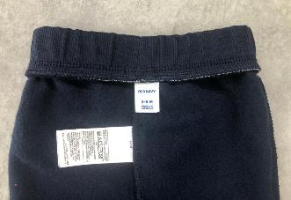
3"
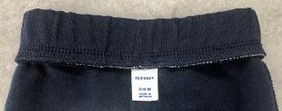
C.B
S#764567- PANTEHR PSD |  |  |  |  |  |  | * Test sample | ALL CLR | ANY | 5pcs/color | 11/4/21
CUFF | RD#169042 57/38/5 CTN/POLY/SPAN 2X2 RIB B/W : 43/45" 285GSM A/W : 40/42" 325GSM |  |  |  |  |  | * Remarks | TOP samples must attach USA price ticket. TOP samples must same as Brand PO packing way. ** Do attach sesor tag on TOP SAMPLE!!

3"
S#742720- IN THE NAVY | 0.098 YY/PC | NET 0.093 (SEWING 5%)
S#764567- PANTEHR PSD |  |  |  |  |  |  | 1. All fabric Test were done in HQ Will send APP fabric test reports via email before PPM 2. All garment test Need to proceed in Fty Side [GMT TEST REPORT TARGET DUE : 1.5~2 WEEKS BEFORE 1ST EX-FTY DATE ]
PLEASE SEE THE FABRIC CONSUMPTION CHART

Sewing Instruction
** SOLID BODY - SEWING INSTRUCTION IN ENGLISH **
1. Construction w/ sketch | 3. Body & Trim matching by Color

3/8"
*** Please let us know if any discrepancy or not clear enough.***
SPI 12-13
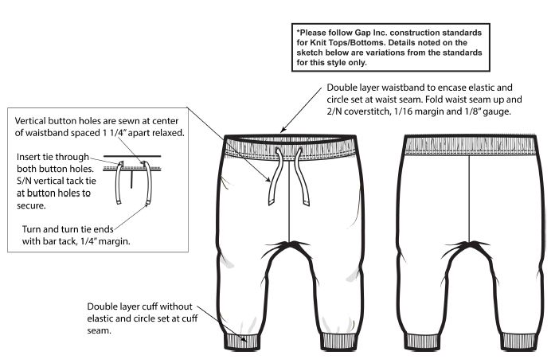 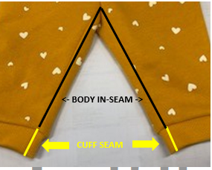 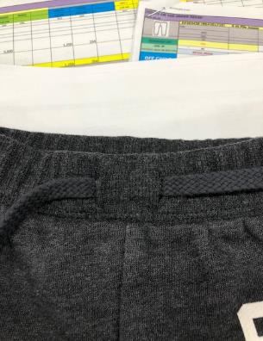 | STYLE# | PO CC NAME | FABRIC |  |  | ARTWORK |  |  | 3/8" WILSON STRING @ CF WB | THREAD | ELASTIC 1 1/2" FOR ALL SIZE @ WB | INTERLINING @ STRING HOLE | MAIN LABEL RD#291713
 |  |  | BODY (FLEECE) | CUFF (2X2 RIB) |  | SKETCH & CODE |  | PRINT COLOR |  |  |  |  | GLOBAL | CANADA
 | 742720 | IN THE NAVY | IN THE NAVY | IN THE NAVY |  | 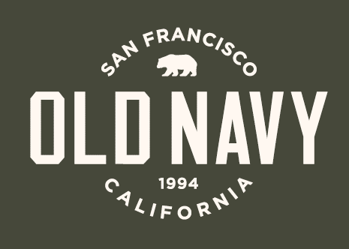 | ONB21Q3_02 CC 2 | 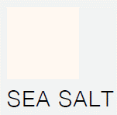 | DTM BODY | DTM BODY | WHITE | WHITE
 | 823443 | GREEN DINOSAURS | PANTHER PSD | PANTHER PSD |  |  | ONBB22Q1_02 CC 2 | 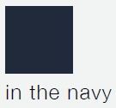 | DTM BODY | DTM BODY
 | ***CARE INSTRUCTION** [IN THE NAVY] 52%COTTON 48% POLYESTER EXCLUSIVE OF DECORATION WASH AND DRY INSIDE OUT WITH LIKE COLORS/MACHINE WASH COLD GENTLE CYCLE/ ONLY NON-CHLORINE BLEACH WHEN NEEDED/ TUMBLE DRY LOW/ DO NOT IRON PRINT/ COOL IRON /DO NOT DRY CLEAN [PANTHER PSD] 52% COTTON 48% POLYESTER EXCLUSIVE OF DECORATION WASH AND DRY INSDIE OUT/MACHINE WASH COLD GENTLE CYCLE/ ONLY NON-CHLORINE BLEACH WHEN NEEDED/ TUMBLE DRY LOW/ DO NOT IRON PRINT/ COOL IRON /DO NOT DRY CLEAN

NO FUNCTIONAL DRAW CORD.
TACKING ON DRAW STRING
INTERLINING
@ BACK SIDE OF BUTTON HOLE
 | 4. Watch out!!
 | 1. Cutting |  | 2 WAY RANDON CUT (1PC 1WAY)

CROCH SEAM
TACKING ->
 |  |  | All of bulk lots should be grouped with similar color shading and ensured them against.
 |  |  | Pls inform if there is any problems on fabric before cutting.
 |  |  | Pls cfm the Factory YY before cutting.
 |  |  | Pls check the spec before line starting.
 |  |  | Pls send fabric inspection report after fabric arrived.

NO FUNCTIONAL
DRAW CORD.
TACKING ON BUTTON HOLE
 | 2. Sewing |  | All seams should be sewn evenly to avoid tourqing, puckering.
 |  |  | Keep appropriate SPI per as 12-13 and top stitch tension evenly.
 |  |  | Make sure label place at right position.
 |  |  | 1. Waist : Attach Rib & Elastic band first to body with overlock first. After, make sewing 1/8" GG, 1/16 MG , 2N3TH on waist band.
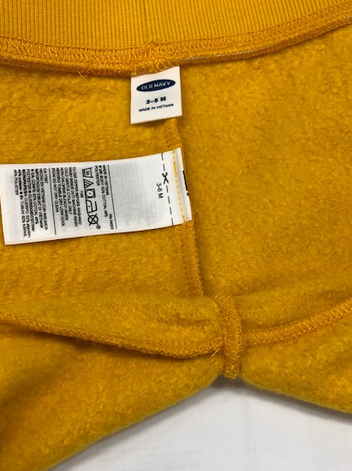
TACKING
@ CROCH SEAM
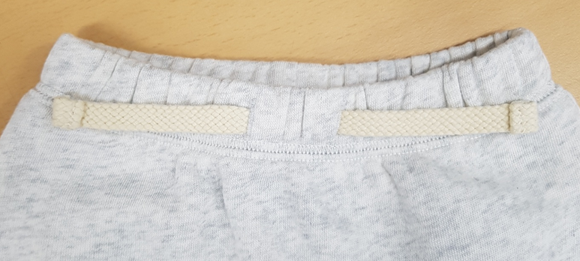
STRING
: DOUBLE TURN BACK INWARD
WITH 1/4" MG BARTACK
 |  |  | Please attach interlining at back side of button hole opening.
 |  |  | 2. Draw cord : No functional drawcord. Place at both button hole opening and tacking both side. Turnback inward with 1/4" MG bartack.
 |  |  | 4. There is a tacking at Croch seam.
CROCH SEAM
TACKING->
NO FUNCTIONAL
DRAW CORD.
TACKING ON BUTTON HOLE
 |  |  | 5. CUFF : Make cuff first and attach to the body. Cuff seam should be same as body in-seam.

 |  |  | 1. 허리 : 립 원단과 고무줄 먼저 오바로크로 바디에 물려주시고, 허리 밴드에 1/16 마진 1/8" 두 줄 삼봉 쳐주세요.
 |  |  | 버튼 홀 오프닝 뒷면에 인터라이닝 덧대주세요.
 |  |  | 2. 드로우코드 : 기능없는 가짜이며, 양쪽 나나인치에 끼우고 태킹. 드로우코드 엣지는 안쪽으로 두번 턴백해서 1/4" 마진 바텍
 |  |  | 3. 크로치심 : 크로치심에 태킹 있습니다.
 |  |  | 4. CUFF : 커프 통으로 만든 후 바디와 부착. 커프 씸, 바디 인씸과 동일 선상으로 오도록 부착.

FINAL SPEC
 | 3. Finishing |  | All the chalk marks s/b removed before packing.
 |  |  | Follow the approved packing condition.
 |  |  | All of attached/uncut thread outside of garment are considered major defect.
 |  |  | MAIN LABEL MUST BE PLACED AT CENTER BACK

 | 4. Packing |  | 1. US, CND RETAIL : HANGER (O), SENSOR TAG (X)
 |  |  | 2. OL, FRANCHISE : ONLINE POLY BAG (O), LPN STICKER (O), HANGER (X), SENSOR TAG (X)

 | 5. Shipping |  | APPLY CARTON SAFETY REGULATION 규정 준수
 | 5. Safety (
 | 1. THREAD REGULATION
 | : ALL PRODUCTIONS SHOULD BE TESTED BY THREAD SEARCH MACHINE
 | 2. NEEDLE REGULATION
 | : Vendors producing Kids & Baby, intimate apparel, and Japan orders are required to follow specific procedures during production to:
 | 1) Control/track needles and other foreign metal contaminants.
 | 2) Use approved needle detection machines
 | 3) Maintain metal-free detection and packing zones
 | <FAUX TIE> Ties at chest & waist area - zone B Outwear: 3 inchse max from tacked point Must be premanently attaacehd go garment

 |  |  |  |  |  |  |  |  |  |  |  |  |  |  | 3/22 OK

Folding method
3"
"
C.B
**FOLDING METHOD **
CARE & T LABEL ATTACHMENT FOR ALL MARKET | MAIN LABEL FOR ALL MARKET | Franchise SPR22 New Packing Guidelines
 |  | 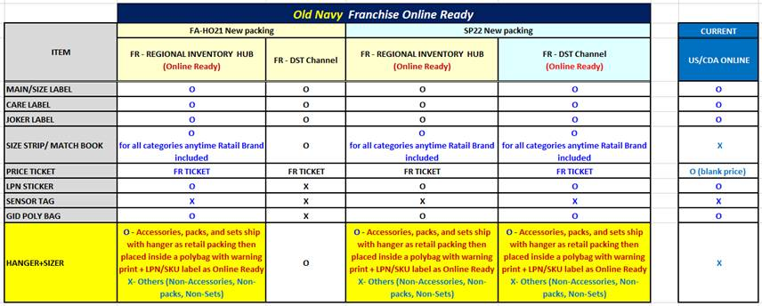
* CARE LABEL : ATTACHED 3" FROM WAIST TOP EDGE AND CENTER BACK IN-SEAM. * T LABEL (ID LABEL) : SEWN AT CENTER & BEHIND OF CARE LABEL | *MAIN LABEL : SEWN AT WAIST CENTER BACK SEAM
HANGER PACKING REATAIL (USA / CAN) |  | ONLINE PACKING (USOL/CANOL/ FRANCHISE)
8"
12"
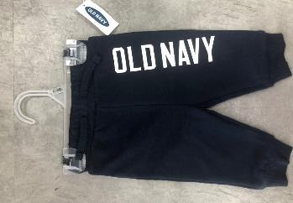 | 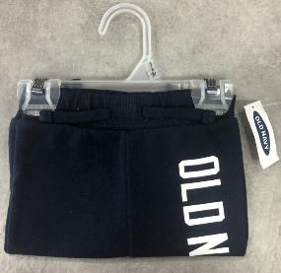 | 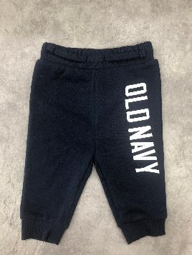 | 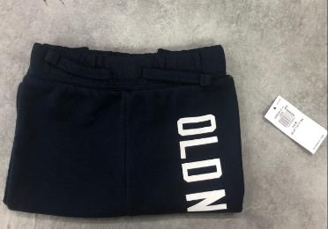
* HANGER PACKING FOR US/CANADA PLEASE SUGGEST POLY BAG SIZE, WILL FOLLOW FACTORY SUGGESTION. * PRICE TICKET : ATTACHED AT ARMFIT , USE 3" TAGPIN AT WEARER'S LEFT SIDE (NEED TO ATTACH PRICE TICKET W/ RETAIL) |  | *PRICE TICKET : ATTACHED AT ARMFIT , USE 3" TAGPIN AT WEARER'S LEFT SIDE (NEED TO ATTACH PRICE TICKET W/O RETAIL) * ONLINE POLY BAG : 8" X 12"

